海外仓库存
Product Name （产品名称） | Color | Qty (数量） | photo | Product Package Image （产品包装图） | link | ADD
儿童投影仪黑白色（有CPC UL报告） | 黑白色 | 50 | 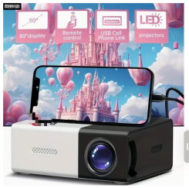 | 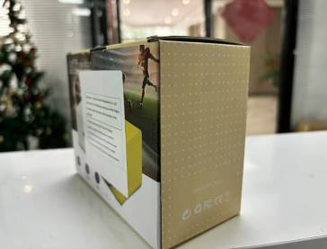 | https://us.shein.com/CAIROCK-Compact-HD-Mini-Projector-With-LCD-Display-USB-Powered-Compatible-With-IOS-Android-Windows-Laptop-TV-Ideal-For-Family-Gatherings-Wilderness-Camping-Home-Cinema-Desktop-Mountable-Perfect-Christmas-Valentine-S-Gift-p-69306000.html?src_identifier=st%3D2%60sc%3DXFB%20TECH%60sr%3D0%60ps%3D1&src_module=search&src_tab_page_id=page_search1741852029277&mallCode=1&pageListType=4&imgRatio=1-1&pageListType=4 | Concord NC 28027
儿童投影仪黄白色（有CPC UL报告） | 黄白色 | 600 | 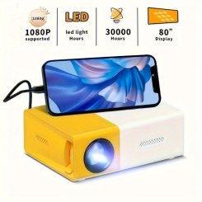 |  | https://us.shein.com/CAIROCK-Compact-HD-Mini-Projector-With-LCD-Display-USB-Powered-Compatible-With-IOS-Android-Windows-Laptop-TV-Ideal-For-Family-Gatherings-Wilderness-Camping-Home-Cinema-Desktop-Mountable-Perfect-Christmas-Valentine-S-Gift-p-69306000.html?src_identifier=st%3D2%60sc%3DXFB%20TECH%60sr%3D0%60ps%3D1&src_module=search&src_tab_page_id=page_search1741852029277&mallCode=1&pageListType=4&imgRatio=1-1&pageListType=4 | EVANSVILLE IN 47715
儿童投影仪黑白色（有CPC UL报告） | 黑白色 | 1300 |  |  | https://us.shein.com/CAIROCK-Compact-HD-Mini-Projector-With-LCD-Display-USB-Powered-Compatible-With-IOS-Android-Windows-Laptop-TV-Ideal-For-Family-Gatherings-Wilderness-Camping-Home-Cinema-Desktop-Mountable-Perfect-Christmas-Valentine-S-Gift-p-69306000.html?src_identifier=st%3D2%60sc%3DXFB%20TECH%60sr%3D0%60ps%3D1&src_module=search&src_tab_page_id=page_search1741852029277&mallCode=1&pageListType=4&imgRatio=1-1&pageListType=4 | Concord NC 28027
儿童投影仪黄白色（有CPC UL报告） | 黄白色 | 1000 |  |  | https://us.shein.com/CAIROCK-Compact-HD-Mini-Projector-With-LCD-Display-USB-Powered-Compatible-With-IOS-Android-Windows-Laptop-TV-Ideal-For-Family-Gatherings-Wilderness-Camping-Home-Cinema-Desktop-Mountable-Perfect-Christmas-Valentine-S-Gift-p-69306000.html?src_identifier=st%3D2%60sc%3DXFB%20TECH%60sr%3D0%60ps%3D1&src_module=search&src_tab_page_id=page_search1741852029277&mallCode=1&pageListType=4&imgRatio=1-1&pageListType=4 | EVANSVILLE IN 47715
儿童投影仪黄白色（有CPC UL报告） | 黑白色 | 1450 | 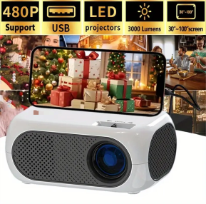 | 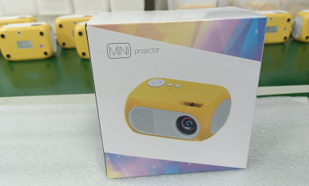 | https://us.shein.com/CAIROCK-REAPP-1pc-Mini-HD-Projector-480P-Portable-Phone-Ready-Multimedia-Home-Theater-Easily-Connects-I0S-Android-USB-Laptop-PC-TV-Stick-DVD-Games-For-Movies-And-Games-p-67115001.html?src_identifier=st%3D2%60sc%3DXFB%20TECH%60sr%3D0%60ps%3D1&src_module=search&src_tab_page_id=page_search1741852029277&mallCode=1&pageListType=4&imgRatio=1-1&pageListType=4 | Concord NC 28027
儿童投影仪黑白色（有CPC UL报告） | 黄白色 | 2700 | 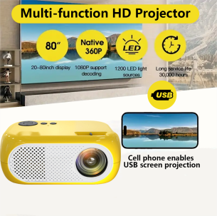 |  | https://us.shein.com/CAIROCK-REAPP-1pc-Mini-HD-Projector-480P-Portable-Phone-Ready-Multimedia-Home-Theater-Easily-Connects-I0S-Android-USB-Laptop-PC-TV-Stick-DVD-Games-For-Movies-And-Games-p-67115001.html?src_identifier=st%3D2%60sc%3DXFB%20TECH%60sr%3D0%60ps%3D1&src_module=search&src_tab_page_id=page_search1741852029277&mallCode=1&pageListType=4&imgRatio=1-1&pageListType=4 | EVANSVILLE IN 47715
 |  | 7100

亚马逊FBA库存
SKU | Product Name （产品名称） | Color | Qty (数量） | Product Link （链接） | Product Main Image (产品主图） | Product Package Image （产品包装图） | Carton Dimension （外箱尺寸及装箱数量） | Pallet Size & # （托盘尺寸 & 托盘数） | FBA / Warehouse 货物地址 | Contact Person 提货联系人
 | 暖手宝 | 银色 | 353 |  | 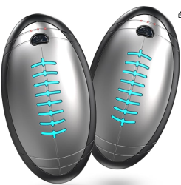 | 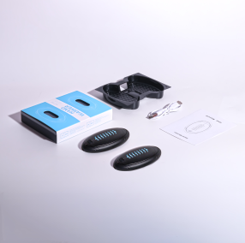 |  |  | 亚马逊FBA库存
 | 暖手宝 | 黑色 | 216 |  | 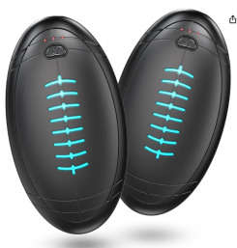 |  |  |  | 亚马逊FBA库存
 | 暖手宝 | 蓝色 | 52 |  |  |  |  |  | 亚马逊FBA库存

